Sheet1
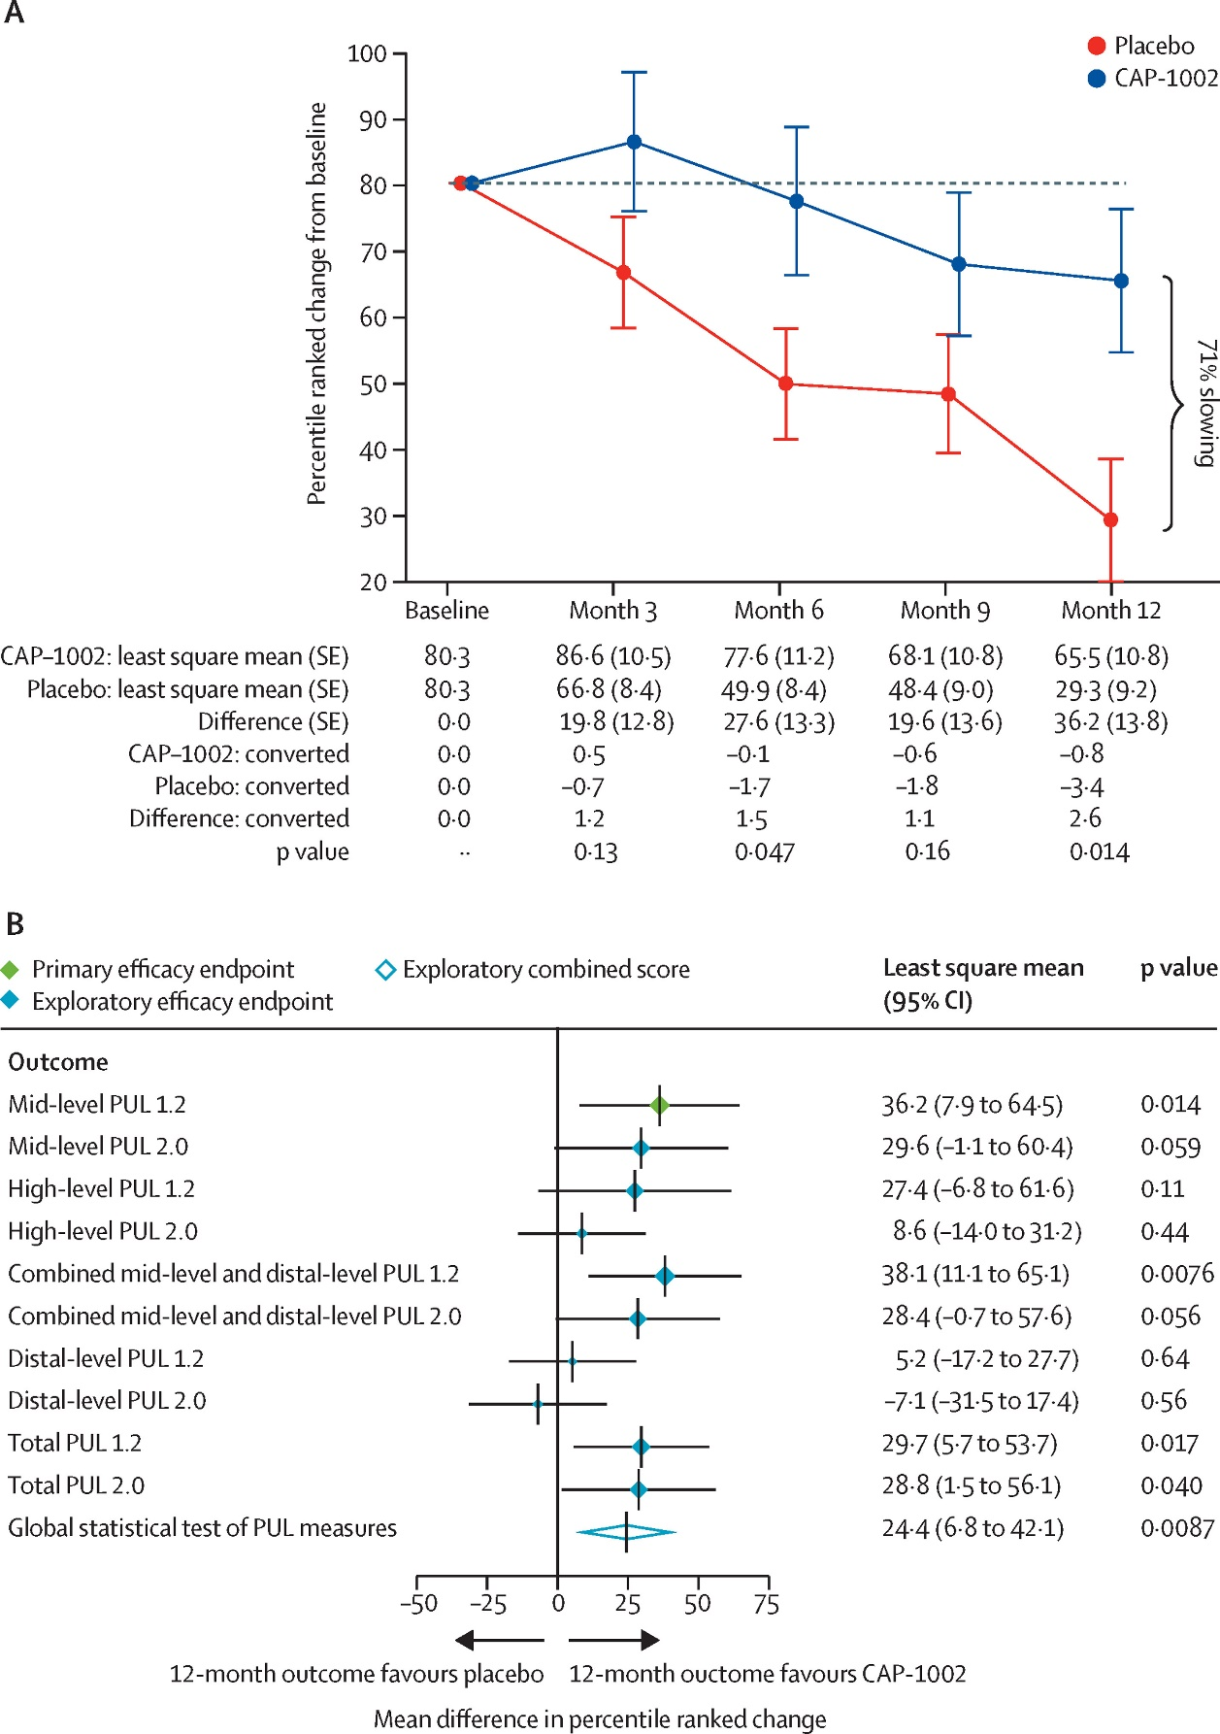
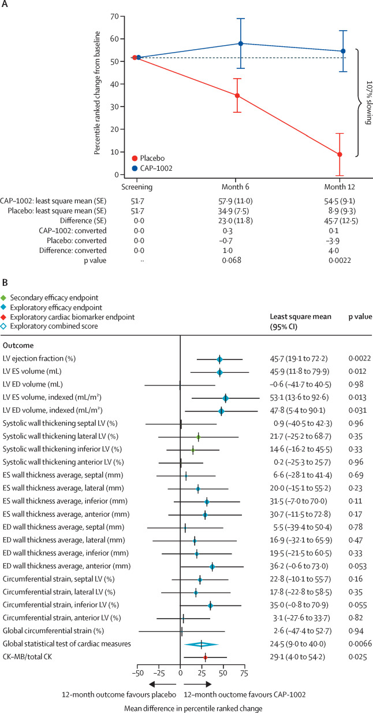
Ticker | CAPR
Price | 6.62 | CAP-1002
S/O |  | Deramiocel
Mkt Cap
Cash |  | https://www.thelancet.com/action/showPdf?pii=S0140-6736%2822%2900012-5
Debt |  | http://biopharmadive.com/news/fda-reject-capricor-deramiocel-duchenne-cardiomyopathy/752773/
EV

